1. Title Page
Instacart Grocery Basket

Project Name: Instacart Grocery Basket Analysis
Date: 03.04.2024
Analyst Name: Juan Carlos Coronado Orrego

Contents:
Population Flow
Consistency checks
Wrangling steps
Column derivations
Visualizations
Recommendations

Data Citation:
“The Instacart Online Grocery Shopping Dataset 2017”,
Accessed from www.instacart.com/datasets/grocery-shopping-2017
via Kaggle on July 26, 2023
This data was fabricated and used for the purposes of CareerFoundry Data Analytics coursework.

2. Population Flow
Title page

Population flow

Exclusion flag
Condition: max_order < 5
Obervations to be removed: 1,440,295
Final total count of order_products_all: 32,404,859

Orders_products_combined
Orders_products_merged
Orders_products_all

Total:32,404,859
Total: 32,640,698
Total: 32,404,859

1.) The grey boxes in the first row of the population flow represent the original data sets as they were when you downloaded them. In the Total fields you need to add the count of the rows when you imported the data set into Jupyter.
2.) The second row of boxes (coloured) represents the data sets after you manipulated them, e.g., removed missing values and duplicates. In the Total fields you need to add the count of the rows after conducting these operations. This offers a visual oveview of how the data flows throughout the data consistency checks.
3.) The third row, where also the arrows are coloured, represents the merges you performed between the datasets. In the Total fields you need to add the count of the rows in the merged datasets, so that you end up with the final dataset (in the red box). Keep in mind the final dataset should be without exclusions (based on the exclusion flag).

3. Consistency checks
 |  |  |  | Title page
Consistency checks

Dataset | Missing values | Missing values treatment | Duplicates
orders | days_since_prior_order /2026209 | NaN values are permitted because there are multiple initial orders in the dataset. This occurs when new customers join Instacart and place their first order, for which there is no previous order history.
products | product_name: /16 NaN's | removed | 5 duplicate deleted
customers | 11 missing values in'first_name' | Missing values are left untouched as they cannot be imputed, and they have no impact on the analysis

4. Wrangling steps
 |  |  |  | Title page
Wrangling steps

Columns dropped | Columns renamed | Columns' type changed | Comment/Reason
orders.csv: eval_set |  |  | Unnecessary column for data analysis
 | orders.csv: 'orders_dow' renamed 'orders_day_of_week' |  | Orders_day_of_week is more understandable for any type of audience.
 |  | orders.csv: data type for order_id changed to "string" | the column order_id had a numeric label but not a numeric value so it is modified to string to take the object label.
 |  |  | Long format allows easier use with the column
 | orders.csv: days_since_prior_order' : 'days_since_last_purchase' |  | days_since_last_purchase'is more understandable for any type of audience.
ords_prods: '_merge' |  |  | the column is removed to avoid affecting the generation of a new dataframe.
 | customers.csv: 'First Name' renamed 'first_name' |  | consistency in the column name
 | customers.csv: 'Surnam' renamed 'surname' |  | consistency in the column name
 | customers.csv: 'Gender' renamed 'gender' |  | consistency in the column name
 | customers.csv: 'State' renamed 'state' |  | consistency in the column name
 | customers.csv: 'Age' renamed 'age' |  | consistency in the column name
 | customers.csv: 'n_dependants' renamed 'number_dependant' |  | consistency in the column name
 | customers.csv: 'fam_status' renamed 'family_status' |  | consistency in the column name
column '_merge' was deleted each time a data merge was performed. |  |  | the column is removed to avoid affecting the generation of a new dataframe.
column 'Unnmamed:0', 'Unnamed:01' was delected each time data was performed |  |  | the column is removed to avoid affecting the generation of a new dataframe.

5. Column derivations
 |  |  |  | Title page

Column derivations and aggregations

In this tab you should add tables below that the frequences of flags/label variables that you produced after deriving them. NB: don't do this for continuous variables, only for flags.
Dataset | New column | Column/s it was derived from | Conditions
orders_products_merged.pkl | busiest_day | orders_day_of_week | if value == 0: resul.append ("Busiest day") elif value == 4: result.append("Least busy") else result.append("Regularly busy")
orders_products_merged.pkl | busiest_days | orders_day_of_week | for value in df_ords_prods_merge["orders_day_of_week"]: if value == 0 or value == 1: result2.append("Busiest days") elif value == 3 or value == 4: result2.append("Slowest days") else: result2.append("Regularly busy")
orders_products_merged.pkl | busiest_period_of_day | order_hour_of_day | if value in [10, 11, 14, 15, 13, 12, 16, 9]: result3.append("Most orders") elif value in [23, 6, 0, 1, 5, 2, 4, 3]: result3.append("Fewest orders") else: result3.append("Average orders")
orders_products_merged_derived.pkl | max_order | user_id and order_number | counts the total amount of orders by user
orders_products_merged_derived.pkl | loyalty_flag | max_order | if max_order> 40 == loyal customer if max_order< = 40 & max_order>10, == regular customer if max_order<= 10 ==new customer
orders_products_merged_derived.pkl | avg_product_price | user_id & prices | calculates the average price spent per order by user
orders_products_merged_derived.pkl | spender_flag | average_spend | if avg_product_price <10, == low spender if avg_product_price>= 10, ==high spender
orders_products_merged_derived.pkl | users_frequency | user_id & days_since_prior_order | calculates the median days since users last order
orders_products_merged_derived.pkl | order_frequency | users_frequency | if users_frequency >20, == non-frequent customer if users_frequency >10 & users_frequency> <=20, == regular customer if users_frequencyr <10, == frequent customer
ords_products_customers_merged.pkl | Region | State | dictionaries grouped by states according to region were created.
ords_products_customers_merged.pkl | exclusion_flag | max_order | if max order <5,== low activity if max order is >5== 5, regular activity
df_merged_not_excluded | age_type | age | if age is <30,== young if age >=30 &age <60,== adult if age >=60, == senior
df_merged_not_excluded | income_type | income | if income <50000,== low if income >=50000 & income<100000, == Middle if income >= 100000, == High
df_merged_not_excluded | number_dependant_type | number _dependants | if number_dependant ==0, non dependant if number_dependant >=1, dependant

busiest_day |  | exclusion_flag
Regularly busy 22416875 |  | Not Excluded 30964564
Busiest day 6204182 |  | Excluded 1440295
Least busy 3783802

busiest_days |  | Spender_flag
Regularly busy 12916111 |  | High Spender 603425
Busiest days 11864412 |  | Low Spender 30361139
Slowest days 7624336

busiest_period_of_day |  | age_type
Most orders 21118071 |  | young 5817603
Average orders 9997651 |  | adult 14572457
Fewest orders 1289137 |  | senior 10574504

loyalty_flag |  | Income_type
Regular customer 15876776 |  | low 3362554
Loyal customer 10284093 |  | Middle 13394608
New customer 6243990 |  | High 14207402

spender_flag |  | number_dependant_type
Low spender 31770614 |  | Dependant 23224883
High_spender 634245 |  | Low Spender 7739681

order_frequency
Frequent Customer 16468582
Regular customer 12521159
Non-frequent customer 3415113

6. Visualizations
 |  |  | Title page

Visualisations

In this tab you should include all the visualtions from Exercises 4.9 and 4.10, alongside the questions from the project brief that they answer. Include any commentary on the relationship between different variables.

1. The sales team needs to know what the busiest days of the week and hours of the day are (i.e., the days and times with the most orders) in order to schedule ads at times when there are fewer orders.

Purchase Orders by Day of the Week | Purchase Orders by Time of Day
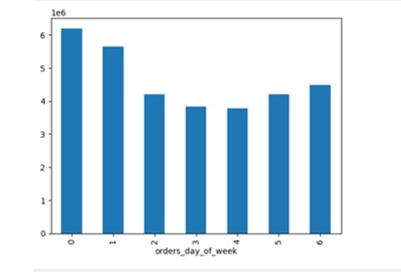


This graph illustrates the volume of orders across each day of the week. It shows that Saturday (0) and Sunday (1) experience the highest order activity. | This data depicts the peak hours of the day based on order volume. It appears that the period between 10 AM and 4 PM is the most active in terms of orders.

2. They also want to know whether there are particular times of the day when people spend the most money, as this might inform the type of products they advertise at these times.

Purchase Times for High-Value Products
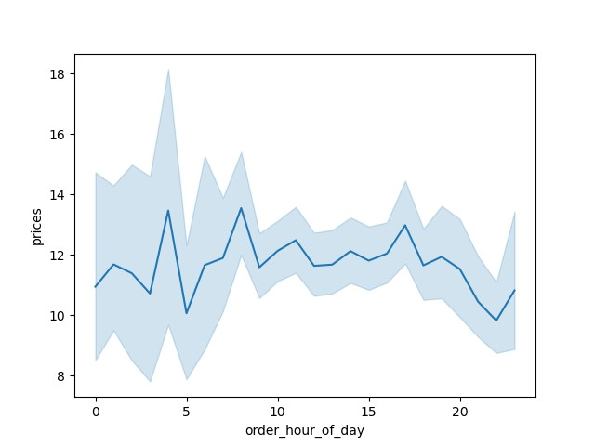

This line chart illustrates how prices fluctuate throughout the day for purchased orders

3. Instacart has a lot of products with different price tags. Marketing and sales want to use simpler price range groupings to help direct their efforts.

Frequency of products prices

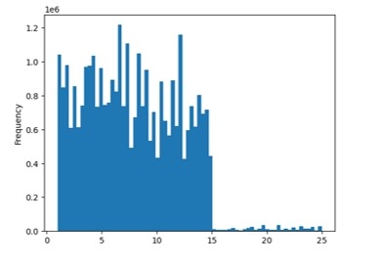

This graph displays the number of products within each price range. There are relatively few products priced above $15."

4. Are there certain types of products that are more popular than others? The marketing and sales teams want to know which departments have the highest frequency of product orders.

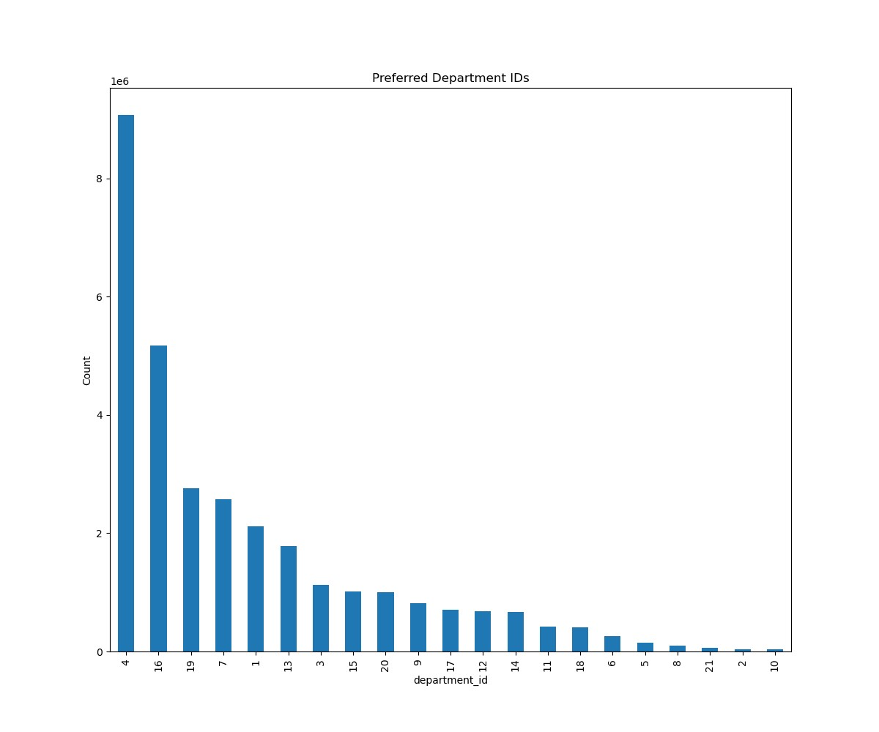
Departments Most frequently Purchased
 | department_id | department
 | 1 | frozen
 | 2 | other
 | 3 | bakery
 | 4 | produce
 | 5 | alcohol
 | 6 | international
 | 7 | beverages
 | 8 | pets
 | 9 | dry goods pasta
 | 10 | bulk
 | 11 | personal care
 | 12 | meat seafood
 | 13 | pantry
 | 14 | breakfast
 | 15 | canned goods
 | 16 | dairy eggs
 | 17 | household
 | 18 | babies
 | 19 | snacks
 | 20 | deli
 | 21 | missing
This bar display the most popular departments by counting department_id."

The most popular products correspond to the produce(4), dairy eggs(16), snacks(19), beverage(7), frozen(1), pantry(13) and bakery(3) departments.

5. The marketing and sales teams are particularly interested in the different types of customers in their system and how their ordering behaviors differ. For example:
What’s the distribution among users in regards to their brand loyalty (i.e., how often do they return to Instacart)?
Are there differences in ordering habits based on a customer’s loyalty status?

Orders by Customer Loyalty Category | Preference by Loyalty and Department
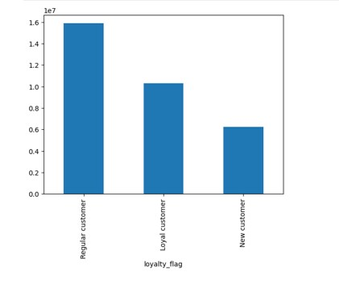
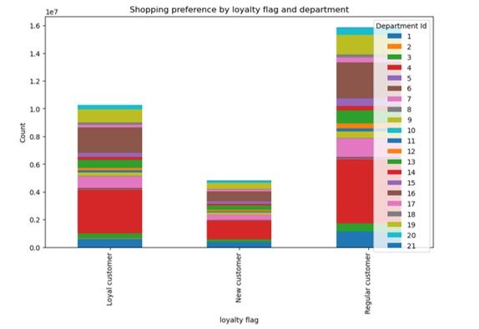

Bar chart depicting the number of orders categorized by loyalty type | The stacked bar chart illustrates the count of orders categorized by loyalty and departnment_ id.

6. Are there differences in ordering habits based on a customer’s region?

Orders by Region and Spender Category | Departments Across Regions |  |  | Orders by Region and Income Level
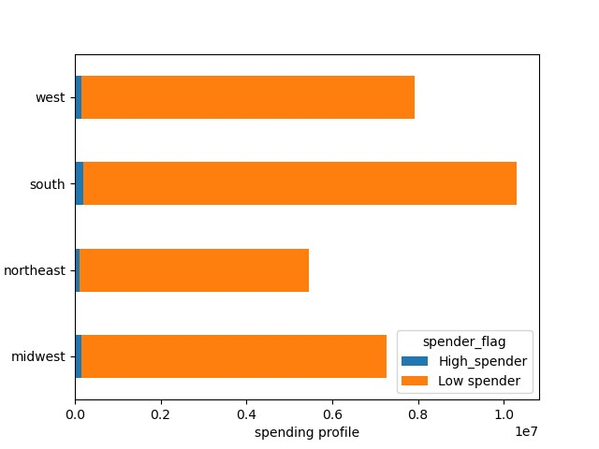
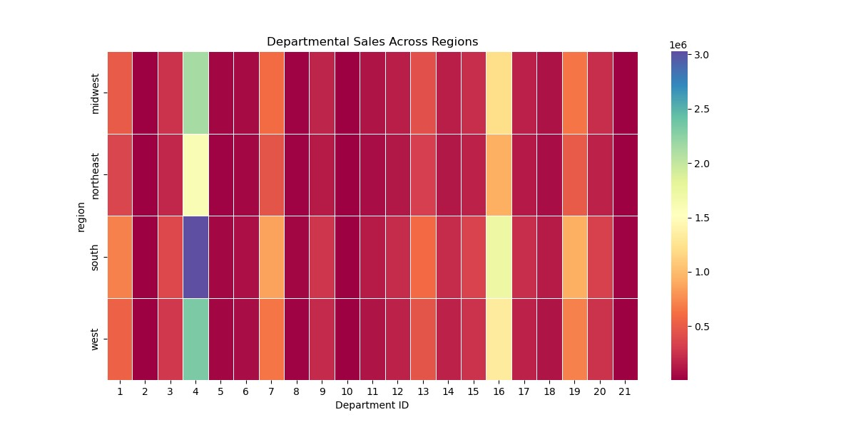
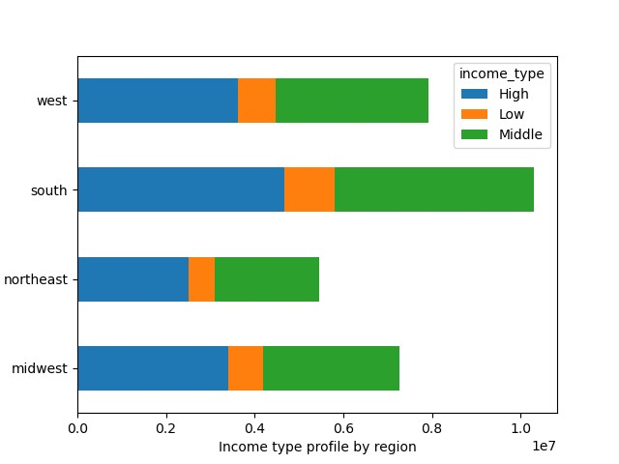

The stacked bar chart illustrates the number of orders by region and spending category. | The graph displays the most popular departments by region |  |  | The stacked bar chart illustrates the count of orders categorized by region and income levels.

7. Is there a connection between age and family status in terms of ordering habits?

 | Orders by Age Group and Income Level |  |  | Orders by Dependant Category and Age Group
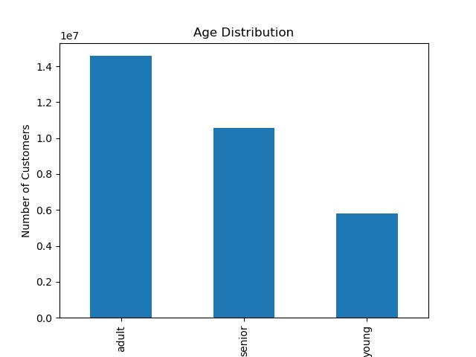
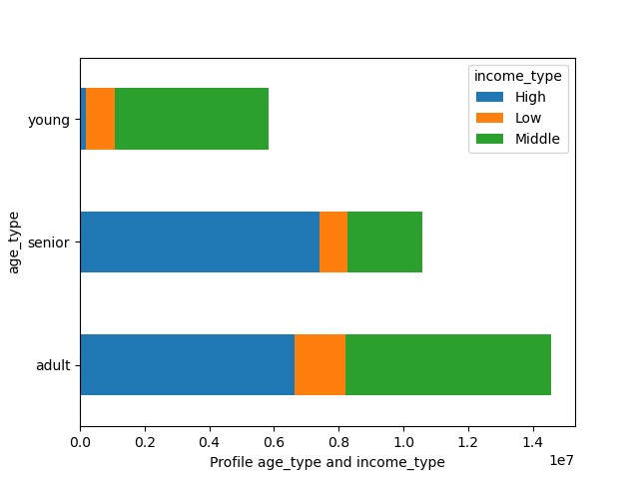
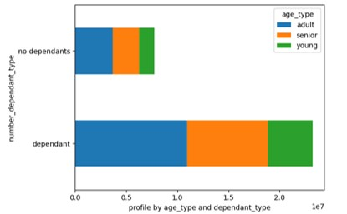

 | The stacked bar chart illustrates the count of orders categorized by age groups and income levels. |  |  | The stacked bar chart illustrates the count of orders by dependant category and age group

8. What different classifications does the demographic information suggest?

Income by Age

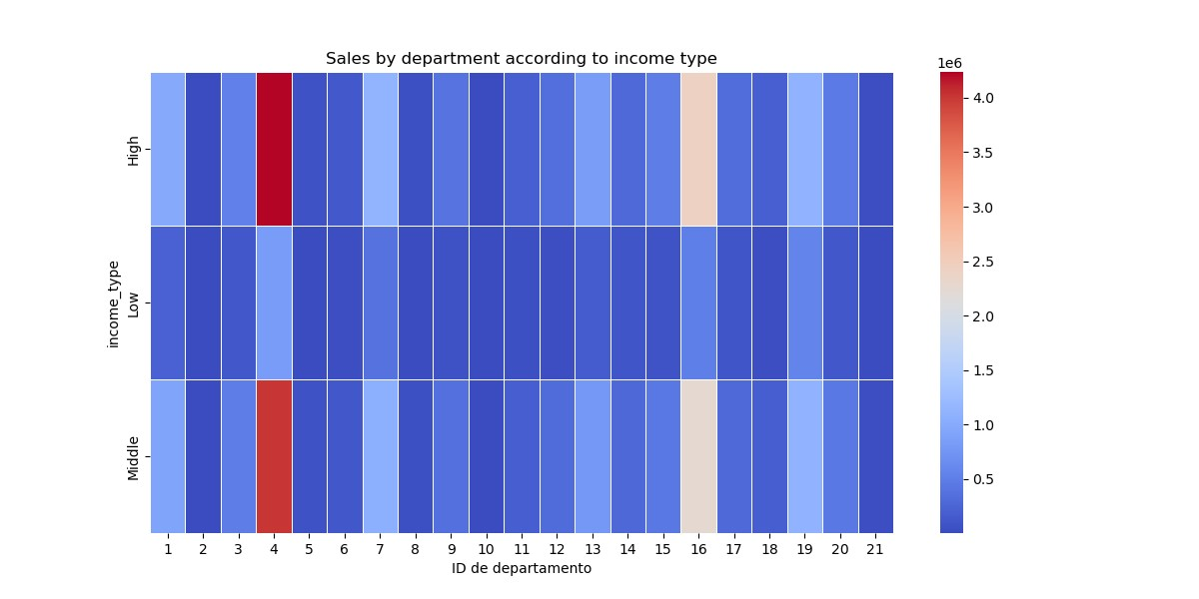
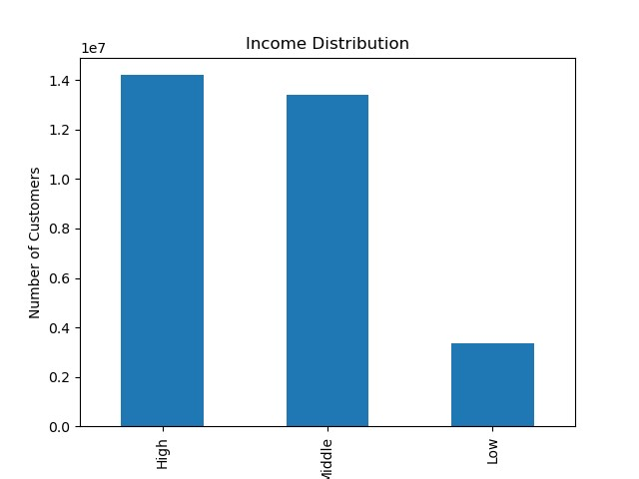

This graph shows the purchasing capacity of users based on their age |  |  |  | The graph displays the most popular departments by income level

9. What differences can you find in ordering habits of different customer profiles? Consider the price of orders, the frequency of orders, the products customers are ordering, and anything else you can think of. |  |  |  |  | Parental status and age relationship

Distribution dependant category |  |  |  | Dependant Type and Age Relationship
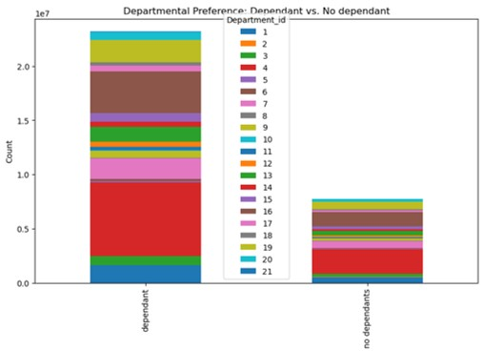
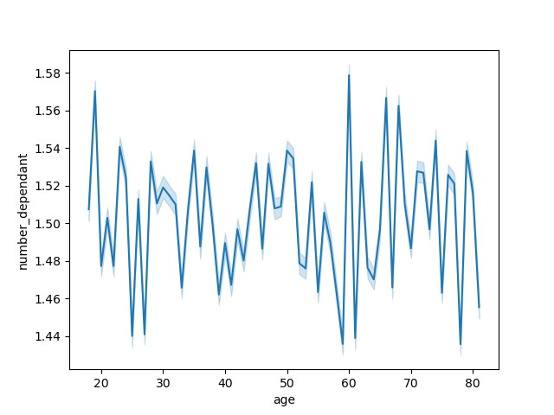
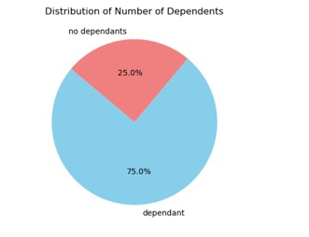

The pie chart illustrates the distribution of those with dependents and those without dependents based on the total. | The chart displays department preferences based on dependent category

7. Recommendations
 |  |  |  |  | Title page

Recommendations

In this tab you should include any recommendations you would made to Instcart in terms of their marketing strategy based on the questions posed in the brief. Every key question has been covered in the Tasks of the Exercises - here you need to add an item - a visualisation or table/crosstable that is showing the answer in the data, acompanied by a comment from you. Please, list the questions below and add the answer underneath.

 | Question | Answer | Recommendations
 | 1. The sales team needs to know what the busiest days of the week and hours of the day are (i.e., the days and times with the most orders) in order to schedule ads at times when there are fewer orders. | The busiest days of the week are Saturday (0) and Sunday (1), while the busiest hours fall within the range of 10 am to 4 pm. | Staffing on weekends: Have enough staff on weekends to handle the high number of orders, ensuring faster delivery times and a better customer experience.
 |  |  | Weekday specials: Offer special promotions on weekdays to attract more customers during those hours. This can help spread demand more evenly throughout the week.
 | 2. They also want to know whether there are particular times of the day when people spend the most money, as this might inform the type of products they advertise at these times. | Instacart's customers place orders 24 hours a day, apparently starting very early in the morning and peaking around 8 a.m., then dropping off a bit and staying steady throughout the day and dropping off towards the end of the night. | Stock and Logistics Reinforcement: Make sure you have sufficient inventory in stock early in the day and optimize logistics processes to handle fluctuating demand throughout the day.
 | 3. Instacart has a lot of products with different price tags. Marketing and sales want to use simpler price range groupings to help direct their efforts. | The data indicates that the majority of Instacart customers tend to purchase items priced at $15 or less. There is a noticeable decrease in sales for products priced above $15. | Provide a wide range of affordable products to meet customers' purchasing preferences.
 | 4. Are there certain types of products that are more popular than others? The marketing and sales teams want to know which departments have the highest frequency of product orders. | The most popular products correspond to the produce(4), dairy eggs(16), snacks(19), beverage(7), frozen(1), pantry(13) and bakery(3) departments. | To increase sales across departments, offer discounts on less popular items when customers buy from popular ones, highlight unique products to attract interest, and introduce seasonal deals on these items.
 | 5. The marketing and sales teams are particularly interested in the different types of customers in their system and how their ordering behaviors differ. For example:
 | What’s the distribution among users in regards to their brand loyalty (i.e., how often do they return to Instacart)? | Most of Instacart's orders come from "regular customers", and it is striking that when you add to these the orders from new customers, loyal customers account for 50% of total orders. | Implement loyalty programs to reward loyal customers and encourage repeat purchases. This may include exclusive benefits, special discounts, or rewards for accumulating points to incentivize customers to continue using Instacart regularly.
 | Are there differences in ordering habits based on a customer’s loyalty status? | The purchase of products according to loyalty category is similar, identifying for the three categories a preference for departments 4,16,19 . | A specific recommendation may not be needed for this finding. However, it would be beneficial to continually monitor these patterns and consider adjustments to marketing or promotional strategies as needed to maintain customer interest and participation in all loyalty categories.
 | Are there differences in ordering habits based on a customer’s region? | A greater trend in ordering habits is identified in the south region. | By recognizing that the South has the highest customer base, shifting marketing campaigns to focus on the Northeast, Midwest, and West regions can indeed help boost sales.
 | Is there a connection between age and family status in terms of ordering habits? | Clients categorized as adults, meaning individuals aged >30 and <60, are the ones who place the most orders. Likewise, within this group, those who have dependents stand out, which makes sense given that they typically represent larger family units. | Suggestions include promotions and special offers that appeal to the interests and budgets of younger customers. This could involve discounts for students, 'buy one, get one free' promotions on popular items among young people, or even incentives for social media sharing.
 | What different classifications does the demographic information suggest? Age? Income? Certain types of goods? Family status? | It appears that as customers' age increases, their income with Instacart also tends to rise, yet this doesn't seem to significantly impact their overall purchasing behavior. Upon reviewing the charts provided, it's evident that there isn't a substantial variance in Instacart customer habits based on age and income characteristics. | It is recommended to focus on marketing strategies that are effective for all age groups and income levels. This could include general promotions, special offers, and a consistent and engaging user experience in the Instacart app.
 | What differences can you find in ordering habits of different customer profiles? Consider the price of orders, the frequency of orders, the products customers are ordering, and anything else you can think of. | Many Instacart customers are customers with dependents, yet there seems to be no clear link between a customer's age and the number of dependents they have | Given the lack of clear correlation between customers' age and the number of dependents they have, Instacart could offer a wide range of family-oriented products and promotions tailored to meet the needs of all age groups. Additionally, conducting further surveys or studies to better understand the specific preferences and needs of families using Instacart would be beneficial for further product and service customization.

Purchase Orders by Day of the Week |  |  |  | Purchase Orders by Time of Day

The busiest days of the week are Saturday (0) and Sunday (1), while the busiest hours fall within the range of 10 am to 4 pm.

Recommendations

Staffing on weekends: Have enough staff on weekends to handle the high number of orders, ensuring faster delivery times and a better customer experience.
Weekday specials: Offer special promotions on weekdays to attract more customers during those hours. This can help spread demand more evenly throughout the week.
Logistics Optimization: Review and optimize logistical processes to ensure timely delivery. This may involve adjusting delivery routes and coordinating efficiently between logistics and delivery teams.

2. What are the most popular types of product?

 |  |  |  |  | department_id | department
 |  |  |  |  | 1 | frozen
 |  |  |  |  | 2 | other
 |  |  |  |  | 3 | bakery
 |  |  |  |  | 4 | produce
 |  |  |  |  | 5 | alcohol
 |  |  |  |  | 6 | international
 |  |  |  |  | 7 | beverages
 |  |  |  |  | 8 | pets
 |  |  |  |  | 9 | dry goods pasta
 |  |  |  |  | 10 | bulk
 |  |  |  |  | 11 | personal care
 |  |  |  |  | 12 | meat seafood
 |  |  |  |  | 13 | pantry
 |  |  |  |  | 14 | breakfast
 |  |  |  |  | 15 | canned goods
 |  |  |  |  | 16 | dairy eggs
 |  |  |  |  | 17 | household
 |  |  |  |  | 18 | babies
 |  |  |  |  | 19 | snacks
 |  |  |  |  | 20 | deli
 |  |  |  |  | 21 | missing

the most popular products correspond to the produce(4), dairy eggs(16), snacks(19), beverage(7), frozen(1), pantry(13) and bakery(3) departments.

Recommendations

Cross-Selling: Offer discounts on less popular departments when customers buy from popular ones.
Highlight Uniqueness: Showcase unique items from less popular departments to attract customers.
Seasonal Events: Offer seasonal deals on less popular items.

